Login
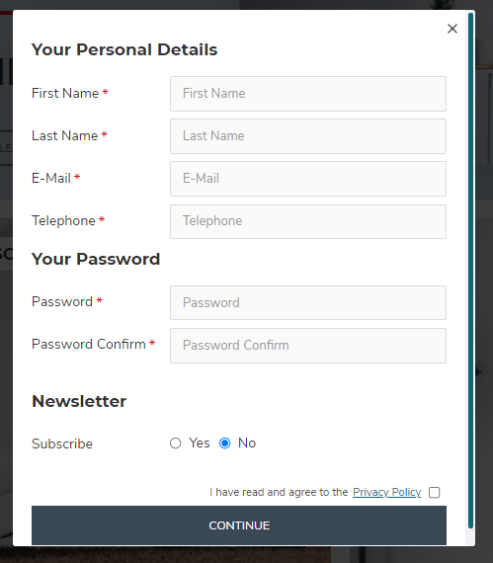
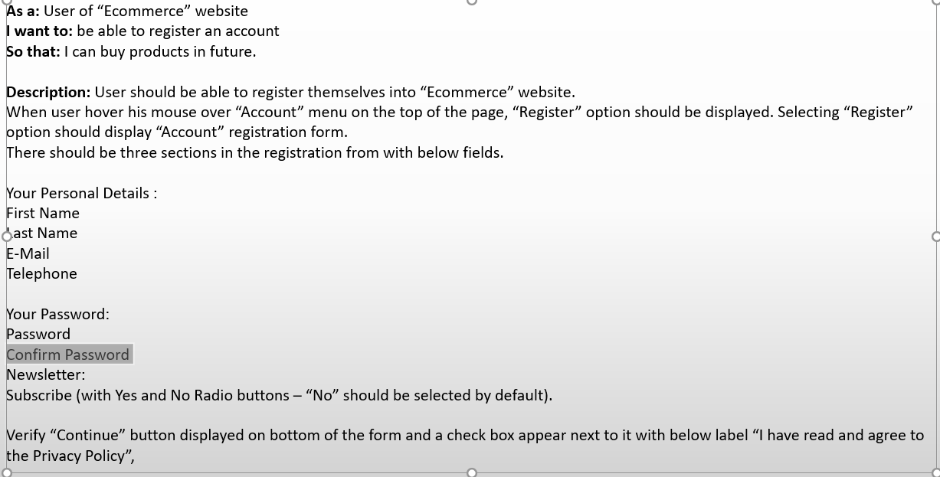
SPRINT Name - PROJET Name
Requirement No: SDET_01
Requirement(UserStory) | Test Case No | Test Summary | Pre-requisites | Test Data | Test Steps | Step Description (Verification) | Expected Results (Validation) | Pass/Fail | Defect No | Comments
Acceptance Criteria/Description Description: User should be able to register themselves into “Ecommerce” website. When user hover his mouse over “Account” menu on the top of the page, “Register” option should be displayed. Selecting “Register” option should display “Account” registration form. There should be three sections in the registration from with below fields. Your Personal Details : First Name Last Name E-Mail Telephone Your Password: Password Confirm Password Newsletter: Subscribe (with Yes and No Radio buttons – “No” should be selected by default). Verify “Continue” button displayed on bottom of the form and a check box appear next to it with below label “I have read and agree to the Privacy Policy”, | TC - 001 | User Registeration to Tekschool.us website, Ecommerc Page | To write test cases for this feature, you should have Manual Tester role. The Website should be up and running. |  | 1 | User launch chrome browser | User should be able to launch broswer | Passed as expected
 |  |  |  |  | 2 | Verify user can go to www.tek-school.us/ecommerce | User should be able to go to www.tek-school.us/ecommerce | Passed as expected
 |  |  |  |  | 3 | Verify when user hover his/her mouse over "Account" link, "Register" option is displayed | When user hover his/her mouse over the "Account" link, "Register" option should be displayed | Passed as expected
 |  |  |  |  | 4 | Verify registeration form is displyed when user select registeration option | Validate registeration form is displayed when user select registeration option | Passed as expected
 |  |  |  |  | 5 | Verify "Your Personal Details" is displayed on the top of the registeration form | User should be able to see "Your Personal Details" on the top fo the registeration form | Passed as expected
 |  |  |  |  | 6 | Verify the field "First Name" is displayed in registeration form | Validate "First Name" field is displayed in the registeration form | Passed as expected
 |  |  |  |  | 7 | Verify the field "Last Name" is displayed in registeration form | Validate "Last Name" field is displayed in the registeration form | Passed as expected
 |  |  |  |  | 8 | Verify the field "E-Mail" is displayed in registeration form | Validate "E-Mail" field is displayed in the registeration form | Passed as expected
 |  |  |  |  | 9 | Verify the field "Telephone" is displayed in registeration form | Validate "Telephone" field is displayed in the registeration form | Passed as expected
 |  |  |  |  | 10 | Verify "Your Password" is displayed as second option on the registeration form | User should be able to see "Your Password" as second option on the registeration form | Passed as expected
 |  |  |  |  | 11 | Verify the field "Password" is displayed in registeration form | Validate "Password" field is displayed in the registeration form | Passed as expected
 |  |  |  |  | 12 | Verify the field "Confirm Password " is displayed in registeration form | Validate "Confirm Password " field is displayed in the registeration form | Failed | 1 | During testing, in validation the field "Confirm Password" is displayed as "Password Confirm" in the UI on the registeration form. And this issue is blocking further testing of the feature.
 |  |  |  |  | 13 | Verify "Newsletter" is displayed as third option on the registeration form | User should be able to see "Newsletter" as third option on the registeration form
 |  |  |  |  | 14 | Verify the filed "Subscribe" is displayed on the registeration form | Validate user should be able to see "Subscribe" option on the registeration form
 |  |  |  |  | 15 | Verify there are two radio buttons displayed in the registeration form with options "Yes" and "No" | Validate user should be able to see two radio buttons on the registeration form with options "Yes" and "No"
 |  |  |  |  | 16 | Verify radio button with option "No" is selected by default in the registeration form | User should be able to see radio button with option "No" is selected by default in the registeration form
 |  |  |  |  | 17 | Verify "Continue" button is displayed in the botton of the registeration form | Validate "Continue" button is displayed in the bottom of the registeration form
 |  |  |  |  |  | Verify there is a check box next to "Continue" button with label "I have read and agree to the Privacy Policy" is displayed | Validate check box next to "Continue" button with label "I have read and agree to the Privacy Policy" is displayed

